10.1
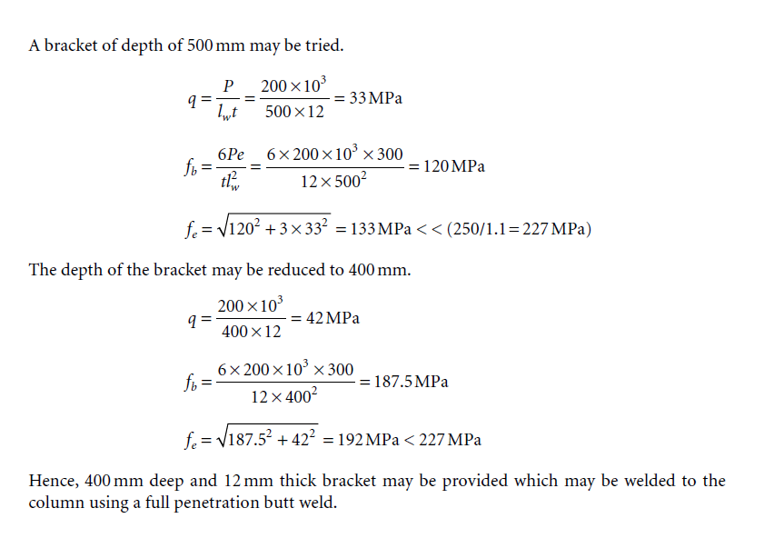
thickness of brackett | 12 | mm
fy = | 250 | Mpa
betaB | 1
gammaM0 | 1.1
Zp is unknown
disctance | 300 | mm
Shear force | 200 | KN
Bending moment = | 60 | KN m

Md = βbZpzfy/γm0
Z = I/y = bt^2/6

bt^2/6 = Md*gamma0/beta
t = (Md*gamma0*6/b*fy)^0.5 | 363.31804249 | mm

Assume t | 400 | mm

Vertical stress | 41.666666667 | Mpa
Z = I/y = bt^2/6 | 320000 | mm3
Stress = M/Z | 187.5 | Mpa

